Task 1
Task | Description
1 | Implement the application logic

Screen | 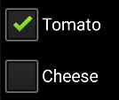 EXAMPLE: Screen shot of the functionality working

Code 1 | Example Code screen shot 1
Code 2 | EXAMPLE: code screen shot 2 (if needed)
Code 3 | code screen shot 3 (if needed)

 | Anything special about the way this task was done?

